AAUBS
Name | Variant | SKU | SKU | Amount
2-Axis Key Rocker Module | Rocker module+PH2.0 to DuPont head terminal cable | SKU: YXS1580 | YXS1580 | 1 | 2.28
MG996R MG946R MG995 MG945 Servo Motor for Smart Car | 180 Degrees-MG996R Iron gear | SKU: YXM176 | YXM176 | 1 | 2.24
AHT10 Temperature and Humidity Sensor |  | SKU: YXA829 | YXA829 | 1 | 0.57
10 Pin 20 cm DuPont Head Test Hook Line | 0.2m-Male 5 colors | SKU: YXM068 | YXM068 | 1 | 1.93
10cm/15cm/20cm/30cm/40cm 40P Dupont Line | Male to female(20cm) | SKU: YXA369 | YXA369 | 1 | 0.29
10cm/15cm/20cm/30cm/40cm 40P Dupont Line | Female to female(20cm) | SKU: YXA369 | YXA369 | 1 | 0.26
10cm/15cm/20cm/30cm/40cm 40P Dupont Line | Male to male(20cm) | SKU: YXA369 | YXA369 | 1 | 0.32
2.54mm 1P DuPont Male/Female Terminal | Female(100pcs) | SKU: YXC465 | YXC465 | 1 | 0.35
2.54mm 1P DuPont Male/Female Terminal | Male(100pcs) | SKU: YXC465 | YXC465 | 1 | 0.53
2.54mm 1P DuPont Male/Female Terminal | 1P DuPont Shell(100pcs) | SKU: YXC465 | YXC465 | 1 | 0.35
12 x 12 x 7.3 mm Tactile Push Button Micro Switch 25 Pairs |  | SKU: YXA360 | YXA360 | 1 | 0.65
10K Potentiometer Module |  | SKU: YXC680 | YXC680 | 1 | 0.41
1/3/4/7/8/12/16/24 Bit WS2812 5050 RGB LED Lamp Panel Module | 16 bits（Circle） | SKU: YXB247 | YXB247 | 1 | 0.53
Passive/Active Low Level Trigger Buzzer Control Board | Active | SKU: YXB220 | YXB220 | 1 | 0.18
Passive/Active Low Level Trigger Buzzer Control Board | Passive | SKU: YXB220 | YXB220 | 1 | 0.15
PLATO-170 Diagonal Pliers | 170 Mini Diagonal Plier | SKU: YXA441 | YXA441 | 1 | 0.45
TT Motor Smart Wheels Chassis Robot Gear Motor Kit | A set (wheel + motor) | SKU: YXC043 | YXC043 | 1 | 0.39
5A DC-DC Step-Down Buck XL4005 Adjustable Power Supply Module |  | SKU: YXA334 | YXA334 | 1 | 0.53
KY-023 Dual-axis PS2 Joystick Sensor |  | SKU: YXB017 | YXB017 | 1 | 0.28
MB-102 Breadboard 830 | With package | SKU: YXB291 | YXB291 | 1 | 0.4
GY-530 VL53L0X Time-of-Flight Ranging Sensor |  | SKU: YXB198 | YXB198 | 1 | 0.94
GY-521 MPU-6050 3-Axis Analog Gyro + 3-Axis Accelerometer Module | No welding | SKU: YXB275 | YXB275 | 1 | 1.58
Nema 11 step motor | https://www.aliexpress.com/item/32801798556.html |  |  | 1
130 Double Shaft Micro Motor |  | SKU: YXJ156 | YXJ156 | 1 | 0.11
0.96 Inch 128x64 OLED Display Module | Blue(blue baseboard) | SKU: YXS1335 | YXS1335 | 1 | 1.19
SG90 MG90S 9g Servo Motor for Smart Car | MG90S 180°(metal gear) | SKU: YXC112 | YXC112 | 1 | 1.09
DRV8833 2 Channel Motor Driver Module |  | SKU: YXB323 | YXB323 | 1 | 0.32 | https://www.jh-electronica.com/drv8833-2-channel-motor-driver-module.shtml
HC-SR04 RCWL-1601 Ultrasonic Ranging Module |  | SKU: YXS963 | YXS963 | 1 | 0.56 | https://www.jh-electronica.com/hc-sr04-rcwl-1601-ultrasonic-ranging-module.shtml
Handy Portable Resistor LED Potentiometer Kit for UNO R3 |  | SKU: YXA424 | YXA424 | 1 | 0.72 | https://www.jh-electronica.com/handy-portable-resistor-led-potentiometer-kit-for-uno-r3.shtml
DFrobot beetle ESP32 C6 | https://item.taobao.com/item.htm?abbucket=10&detail_redpacket_pop=true&id=766164247997&ltk2=1747128487579otkyy48yee0xhdchfaa348&ns=1&priceTId=2100c82a17471284787405644e0bf2&query=ESP32-C6%20dfrobot&spm=a21n57.1.hoverItem.2&utparam=%7B%22aplus_abtest%22%3A%2207c5a118d2ced01141d3f0ef0330eade%22%7D&xxc=taobaoSearch |  |  | 1 | 6.27
USB C to USB C 0.5m, 3A | https://detail.tmall.com/item.htm?abbucket=10&detail_redpacket_pop=true&id=731905417810&ltk2=17471293168073w7obek4ev9iyauji0ddlo&ns=1&priceTId=2100c89117471292781288152e0bfb&query=usb%20c&spm=a21n57.1.hoverItem.4&utparam=%7B%22aplus_abtest%22%3A%22a554c477383e1ee266e6c0654aa9802f%22%7D&xxc=taobaoSearch |  |  | 1 | 0.5 | 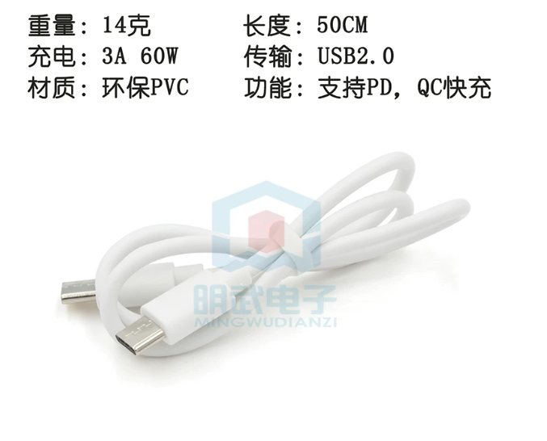
box |  |  |  | 1 | 1.8 | 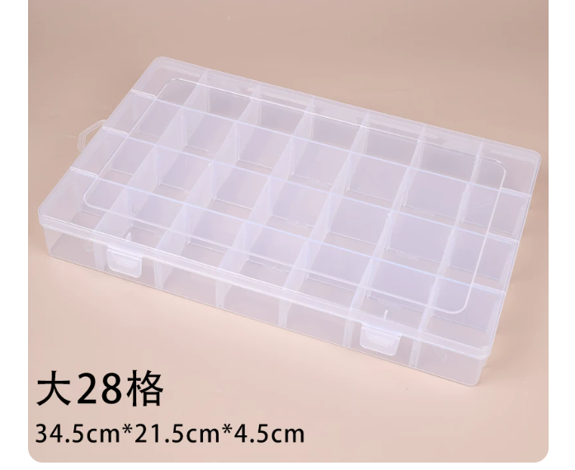 345*215*45mm
Manual assembly charge for each kit |  |  |  | 1 | 0.8
 |  |  |  |  | 28.97

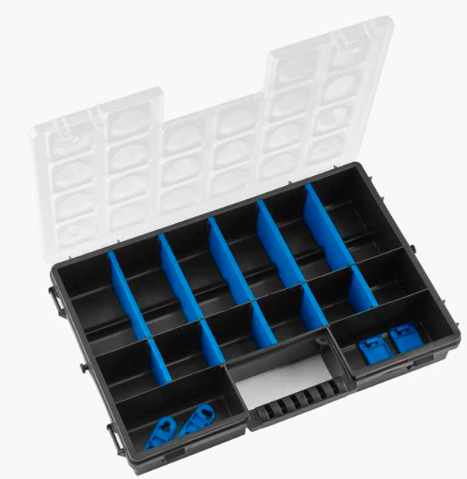
All parts has to be packaged in a box similar to this: | IMPORTANT:
 | The box should be big enough, such all the parts can sorted by students easy.
 | But the box should be flatter to allow them to put it in their backpack, so NO double layer boxes
 | Fill it up to max 80-90%

